Kelowna
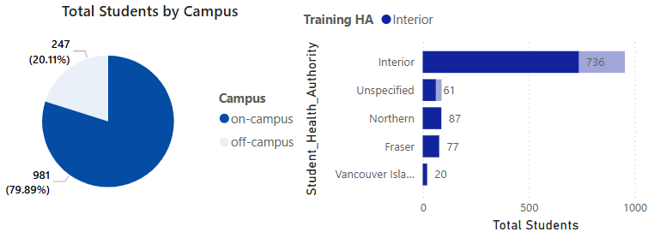
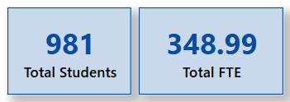
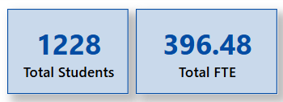
Kelowna

YoY growth for on-campus | On-Campus vs Off-Campus composition

Chillliwack
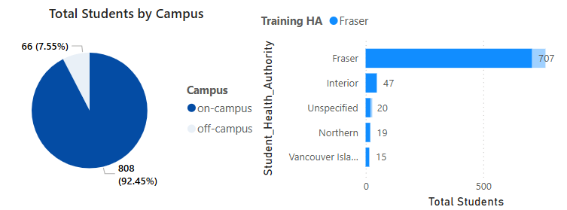
Chilliwack

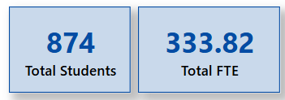

YoY growth for on-campus | On-Campus vs Off-Campus composition

Maple Ridge
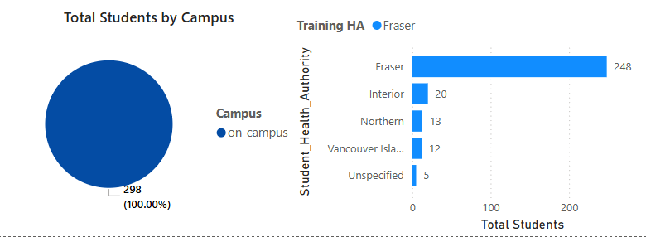
Maple Ridge
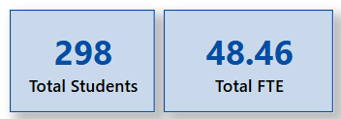

YoY growth for on-campus | On-Campus vs Off-Campus composition

New Westminster
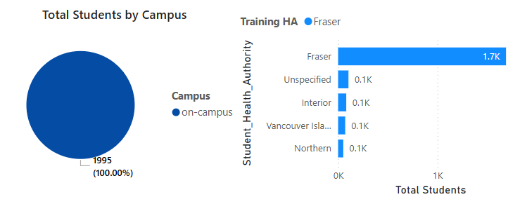
New Westminster

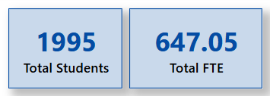

YoY growth for on-campus | On-Campus vs Off-Campus composition

Victoria
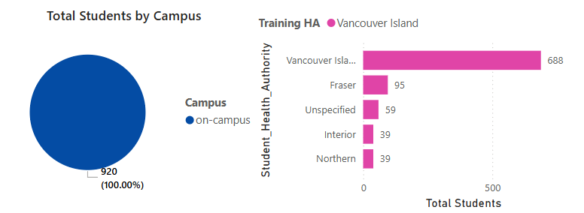
Victoria

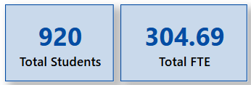

YoY growth for on-campus | On-Campus vs Off-Campus composition

